Graph
Student Name | Test 1 | Test 2 | Test 3 | Average | Rounded Average Marks | Honors
Allen | 89 | 78 | 89 | 85.33 | 85.3 | No
Borlin | 67 | 56 | 66 | 63 | 63 | No
Catlin | 78 | 76 | 76 | 76.67 | 76.7 | No
Dorsey | 56 | 34 | 45 | 45 | 45 | No
Eugene | 26 | 100 | 99 | 75 | 75 | No
Finerran | 99 | 98 | 97 | 98 | 98 | Yes
Greco | 78 | 87 | 88 | 84.33 | 84.3 | No

Student Name Vs Rounded Average Marks

Eugene’s dream
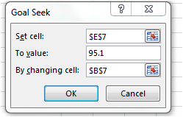
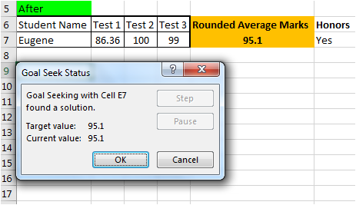
Before
Student Name | Test 1 | Test 2 | Test 3 | Rounded Average Marks | Honors
Eugene | 26 | 100 | 99 | 75 | No

After
Student Name | Test 1 | Test 2 | Test 3 | Rounded Average Marks | Honors
Eugene | 26 | 100 | 99 | 75 | No

